Sheet2
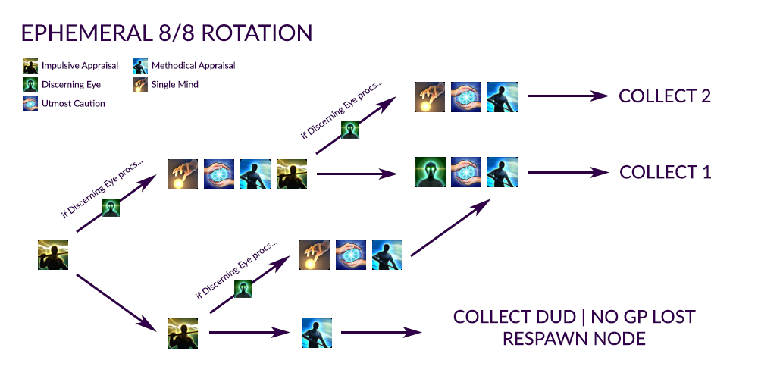

Botanist

Time | Zone | Coordinates | Closest Teleport | Items | Items gained from Aetherial Reduction
12AM-4AM | Coerthas Western Highlands | X:10 Y:14 | Falcon's Nest | Wind Cluster | Wind Crystal
 |  |  |  | Highland Oregano (Lvl 56) | Wind Cluster
 |  |  |  | Furymint (Lvl 58) | Duskborne Aethersand
 |  |  |  | Clary Sage (Lvl 60) | Dawnborne Aethersand
 |  |  |  |  | Leafborne Aethersand
4AM-8AM | The Dravanian Hinterlands | X:13 Y:19 | Idyllshire (West Gate) | Earth Cluster | Earth Crystal
 |  |  |  | Granular Clay (Lvl 56) | Earth Cluster
 |  |  |  | Peat Moss (Lvl 58) | Duskborne Aethersand
 |  |  |  | Black Soil (Lvl 60) | Dawnborne Aethersand
 |  |  |  |  | Leafborne Aethersand
8AM-12PM | The Dravanian Forelands | X:10 Y:32 | Anyx Trine | Earth Cluster | Earth Crystal
 |  |  |  | Granular Clay (Lvl 56) | Earth Cluster
 |  |  |  | Peat Moss (Lvl 58) | Duskborne Aethersand
 |  |  |  | Black Soil (Lvl 60) | Dawnborne Aethersand
 |  |  |  |  | Leafborne Aethersand
4PM-8PM | The Churning Mists | X:20 Y:30 | Zenith | Earth Cluster | Earth Crystal
 |  |  |  | Granular Clay (Lvl 56) | Earth Cluster
 |  |  |  | Peat Moss (Lvl 58) | Duskborne Aethersand
 |  |  |  | Black Soil (Lvl 60) | Dawnborne Aethersand
 |  |  |  |  | Leafborne Aethersand
8PM-12AM | The Sea of Clouds | X:23 Y:12 X:26 Y:35 | Camp Cloudtop Ok' Zundu | Wind Cluster | Wind Crystal
 |  |  |  | Highland Oregano (Lvl 56) | Wind Cluster
 |  |  |  | Furymint (Lvl 58) | Duskborne Aethersand
 |  |  |  | Clary Sage (Lvl 60) | Dawnborne Aethersand
 |  |  |  |  | Leafborne Aethersand

Reduction Table

Aethersand wanted | Gained from
Duskborne Aethersand | Highland Oregano (Lvl 56)
 | Granular Clay (Lvl 56)
 | Furymint (Lvl 58)
 | Peat Moss (Lvl 58)
 | Clary Sage (Lvl 60)
 | Black Soil (Lvl 60)
Dawnborne Aethersand | Furymint (Lvl 58)
 | Peat Moss (Lvl 58)
 | Clary Sage (Lvl 60)
 | Black Soil (Lvl 60)
Leafborne Aethersand | Clary Sage (Lvl 60)
 | Black Soil (Lvl 60)

Miner

Time | Zone | Coordinates | Closest Teleport | Items | Items gained from Aetherial Reduction
4AM-8AM | The Dravanian Forelands | X:17 Y:27 | Anyx Trine | Fire Cluster | Fire Crystal
 |  |  |  | Fire Moraine (Lvl 56) | Fire Cluster
 |  |  |  | Bright Fire Rock (Lvl 58) | Duskborne Aethersand
 |  |  |  | Radiant Fire Moraine (Lvl 60) | Dawnborne Aethersand
 |  |  |  |  | Landborne Aethersand
8AM-12PM | The Dravanian Hinterlands | X:26 Y:24 | Idyllshire (East Gate) | Fire Cluster | Fire Crystal
 |  |  |  | Fire Moraine (Lvl 56) | Fire Cluster
 |  |  |  | Bright Fire Rock (Lvl 58) | Duskborne Aethersand
 |  |  |  | Radiant Fire Moraine (Lvl 60) | Dawnborne Aethersand
 |  |  |  |  | Landborne Aethersand
12PM-4PM | The Churning Mists | X:29 Y:19 | Moghome | Fire Cluster | Fire Crystal
 |  |  |  | Fire Moraine (Lvl 56) | Fire Cluster
 |  |  |  | Bright Fire Rock (Lvl 58) | Duskborne Aethersand
 |  |  |  | Radiant Fire Moraine (Lvl 60) | Dawnborne Aethersand
 |  |  |  |  | Landborne Aethersand
4PM-8PM | The Sea of Clouds | X:34 Y:30 | Camp Cloudtop | Lightning Cluster | Lightning Crystal
 |  |  |  | Lightning Moraine (Lvl 56) | Lightning Cluster
 |  |  |  | Bright Lightning Rock (Lvl 58) | Duskborne Aethersand
 |  |  |  | Radiant Lightning Moraine (Lvl 60) | Dawnborne Aethersand
 |  |  |  |  | Landborne Aethersand
8PM-12AM | Coerthas Western Highlands | X:21 Y:28 | Falcon's Nest | Lightning Cluster | Lightning Crystal
 |  |  |  | Lightning Moraine (Lvl 56) | Lightning Cluster
 |  |  |  | Bright Lightning Rock (Lvl 58) | Duskborne Aethersand
 |  |  |  | Radiant Lightning Moraine (Lvl 60) | Dawnborne Aethersand
 |  |  |  |  | Landborne Aethersand

Reduction Table

Aethersand wanted | Gained from
Duskborne Aethersand | Fire Moraine (Lvl 56)
 | Lightning Moraine (Lvl 56)
 | Bright Fire Rock (Lvl 58)
 | Bright Lightning Rock (Lvl 58)
 | Radiant Fire Moraine (Lvl 60)
 | Radiant Lightning Moraine (Lvl 60)
Dawnborne Aethersand | Bright Fire Rock (Lvl 58)
 | Bright Lightning Rock (Lvl 58)
 | Radiant Fire Moraine (Lvl 60)
 | Radiant Lightning Moraine (Lvl 60)
Landborne Aethersand | Radiant Fire Moraine (Lvl 60)
 | Radiant Lightning Moraine (Lvl 60)

Fishing

Time | Zone | Coordinates | Closest Teleport | Fish Name | Weather | Bait | Items gained from Aetherial Reduction
12AM-6AM | The Dravanian Forelands | X:29 Y:15 | Tailfeather | Dravanian Bass | Fog | Goblin Jig | Water Crystal
 |  |  |  |  | Clouds | Straight Catch | Water Cluster
 |  |  |  |  | Dust Storms |  | Duskborne Aethersand
 |  |  |  |  |  |  | Dawnborne Aethersand
 |  |  |  |  |  |  | Seaborne Aethersand
10AM-2PM | The Churning Mists | X:19 Y:6 Cloudfishing | Zenith | Manasail | Fair Skies | Red Balloon | Ice Crystal
 |  |  |  |  | Clear Skies | Straight Catch. | Ice Cluster
 |  |  |  |  |  |  | Duskborne Aethersand
 |  |  |  |  |  |  | Dawnborne Aethersand
 |  |  |  |  |  |  | Seaborne Aethersand
9AM-5PM | The Churning Mists | X:20 Y:40 Cloudfishing | Moghome | Pteranodon | All Weather | Giant Crane Fly | Ice Crystal
 |  |  |  |  |  | Straight Catch. | Ice Cluster
 |  |  |  |  |  |  | Duskborne Aethersand
 |  |  |  |  |  |  | Dawnborne Aethersand
 |  |  |  |  |  |  | Seaborne Aethersand
6PM-8.30PM | The Sea of Clouds | X:27 Y:34 | Camp Cloudtop | Caiman | All Weather | Bladed Steel Jig | Water Crystal
 |  |  |  |  |  | Mooch from Bullfrog. | Water Cluster
 |  |  |  |  |  |  | Duskborne Aethersand
 |  |  |  |  |  |  | Dawnborne Aethersand
 |  |  |  |  |  |  | Seaborne Aethersand
3PM-6PM | The Dravanian Hinterlands | X:21 Y:22 | Idyllshire (East Gate) | Thaliak Caiman | All Weather | Goblin Jig | Water Crystal
 |  |  |  |  |  | or | Water Cluster
 |  |  |  |  |  | Bladed Steel Jig | Duskborne Aethersand
 |  |  |  |  |  | Mooch from Sweetfish. | Dawnborne Aethersand
 |  |  |  |  |  |  | Seaborne Aethersand
3PM-6PM | Azys Lla | X:40 Y:18 Cloudfishing | Helix | Tupuxuara | All Weather | Red Balloon | Ice Crystal
 |  |  |  |  |  | Straight Catch. | Ice Cluster
 |  |  |  |  |  |  | Duskborne Aethersand
 |  |  |  |  |  |  | Dawnborne Aethersand
 |  |  |  |  |  |  | Seaborne Aethersand

Reduction Table

Aethersand wanted | Gained from
Duskborne Aethersand | Caiman
 | Dravanian Bass
 | Manasail
 | Thaliak Caiman
 | Tupuxuara
Dawnborne Aethersand | Caiman
 | Dravanian Bass
 | Manasail
 | Thaliak Caiman
 | Tupuxuara
Seaborne Aethersand | Caiman
 | Dravanian Bass
 | Manasail
 | Thaliak Caiman
 | Tupuxuara

